List1
Big size bean bag. Flame retardant EPS balls. 2 years warranty.

BIG BLESS

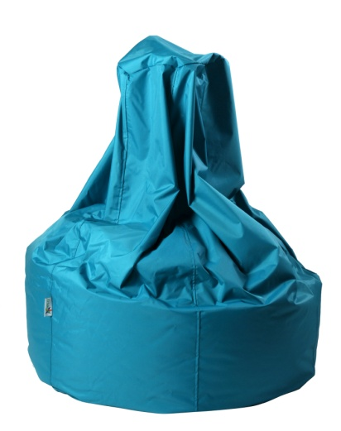

 | PHISICAL MESUREMENTS

 | Volume: | 0.6575 | m3

