List1
Sofa shape bean bag. Flame retardant EPS balls. 2 years warranty.

ALIBABA

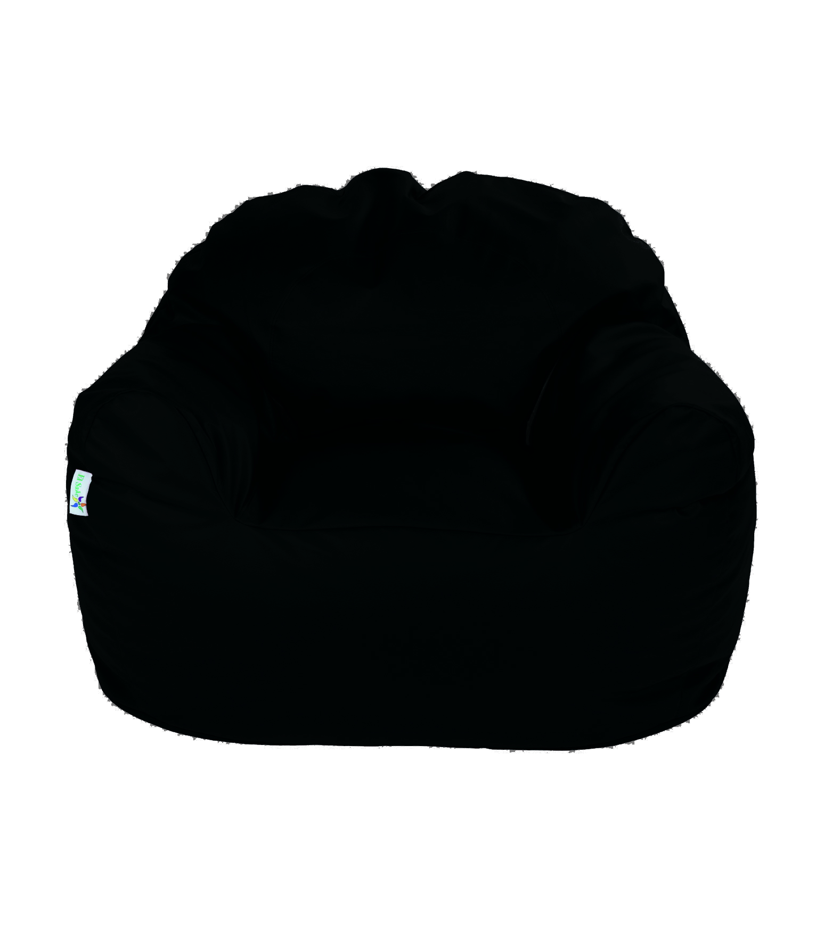

 | PHISICAL MESUREMENTS

 | Volume: | 0.549

