List1
Medium size bean bag. Flame retardant EPS balls. 2 years warranty.

BLESS

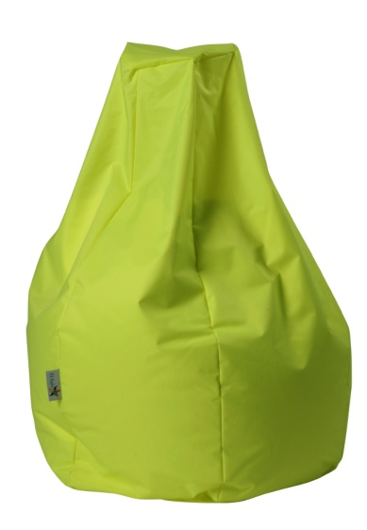

 | PHISICAL MESUREMENTS

 | Volume: | 0.264 | m3

ARMRESTS

